AEC
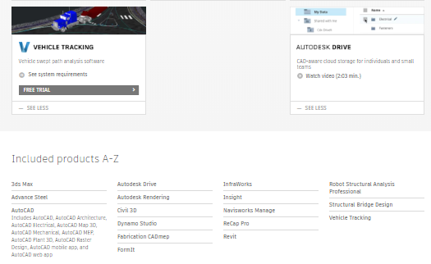
First Product Download | Featured #1 | Featured #2 | Featured #3
Revit | AutoCAD | Civil 3D | Navisworks
AutoCAD | Revit | Inventor
Civil 3D | Infraworks | Revit | Navisworks
3ds Max | Maya | Revit | Inventor
Infraworks | Civil 3D | Revit | Navisworks
Navisworks Manage | Revit | Inventor
ReCap Pro | InfraWorks | Inventor | Maya
Advance Steel | Revit | Civil 3D | AutoCAD
Fabrication | Revit | AutoCAD | Navisworks
Formit Pro | Revit | Dynamo Studio | InfraWorks
Structural Bridge Design | Civil 3D | Infraworks | Revit
Dynamo Studio | Revit | Formit Pro | Advance Steel
Robot Structural Analysis Professional | Revit | Civil 3D | AutoCAD
Vehicle Tracking | Civil 3D | Infraworks | Revit

